ETCA data with syn. feed
Catalyst | Athos 3 Cy1.6
 | 6.05 | g
Feed | 85 | %w n-hexane
 | 10 | %w n-heptane
 | 5 | %w n-octane
 | 0.66 | g/ml
 | 86.18 | assumed MW

#RN1 | 32.53
#RN2 | 11.26
#RN3 | 16.22
#RN4 | 45.45
#RN5 | 8.29
#RN6
#RN7 | 12.1
#RN8 | 17.08
#RN9 | 46.11
#RN10 | 10.63
#RN11 | 4.39
#RN12 | 16.88
#RN13 | 45.52
#RN14 | 39.58
#RN15 | 15.71
#RN16 | 21.52
#RN17 | 53.54
#RN18 | 12.02
#RN19 | 4.89
 |  |  |  |  |  |  |  | indicative results (08/01/2026)
 | Pressure | T | feed flow | H2 flow |  | H2/HC | WHSV | hexaan conversie | hexaan crack | heptaan crack | octaan crack
 |  | isothermal | ml/min | Nl/h |  | mol/mol
#RN1 | 26 | 220 | 0.257 | 4 |  | 1.51 | 1.68 | 32.53 | 5.7 | 37.53 | 80.13
#RN2 | 26 | 200 | 0.257 | 4 |  | 1.51 | 1.68 | 11.26 | 2.22 | 3.59 | 31.67
#RN3 | 26 | 210 | 0.257 | 4 |  | 1.51 | 1.68 | 16.22 | 1.94 | 13.73 | 55.23
#RN4 | 26 | 230 | 0.257 | 4 |  | 1.51 | 1.68 | 45.45 | 3.4 | 59.2 | 88.8
#RN5 | 26 | 190 | 0.257 | 4 |  | 1.51 | 1.68 | 8.29 | 1.59 | -0.03 | 18.95
#RN6 | 26 | 220 | 0.257 | 3.18 |  | 1.20 | 1.68
#RN7 | 26 | 200 | 0.257 | 3.18 |  | 1.20 | 1.68 | 12.1 | 1.83 | 6.17 | 37.81
#RN8 | 26 | 210 | 0.257 | 3.18 |  | 1.20 | 1.68 | 17.08 | 1.94 | 15.23 | 57.51
#RN9 | 26 | 230 | 0.257 | 3.18 |  | 1.20 | 1.68 | 46.11 | 3.48 | 60.33 | 87.93
#RN10 | 26 | 190 | 0.257 | 3.18 |  | 1.20 | 1.68 | 10.63 | 1.92 | 2.82 | 23.03
#RN11 | 26 | 180 | 0.257 | 3.18 |  | 1.20 | 1.68 | 4.39 | 1.34 | -6.06 | 4.13
#RN12 | 26 | 220 | 0.514 | 6.36 |  | 1.20 | 3.36 | 16.88 | 1.75 | 16.48 | 56.06
#RN13 | 26 | 240 | 0.3855 | 4.77 |  | 1.20 | 2.52 | 45.52 | 3.29 | 60.17 | 84.99
#RN14 | 15 | 220 | 0.257 | 4 |  | 1.51 | 1.68 | 39.58 | 3.03 | 53.01 | 84.63
#RN15 | 15 | 200 | 0.257 | 4 |  | 1.51 | 1.68 | 15.71 | 1.99 | 12.42 | 52.49
#RN16 | 15 | 210 | 0.257 | 4 |  | 1.51 | 1.68 | 21.52 | 1.87 | 24.38 | 72.96
#RN17 | 15 | 230 | 0.257 | 4 |  | 1.51 | 1.68 | 53.54 | 3.11 | 71.77 | 87.85
#RN18 | 15 | 190 | 0.257 | 4 |  | 1.51 | 1.68 | 12.02 | 1.92 | 5.11 | 32.75
#RN19 | 15 | 180 | 0.257 | 4 |  | 1.51 | 1.68 | 4.89 | 1.4 | -5.92 | 8.72

 |  |  |  |  |  |  |  |  |  |  |  | In ETCA, a total of 19 conditions were evaluated using the synthetic feed and catalyst system. For the chemical validation run in the ILS unit at STC B, it was agreed with stakeholders that the first five of these conditions (highlighted in grey) would be replicated at STCB. These will be executed in the order of increasing temperature from 190°C to 230°C, with 10°C increments, rather than following the sequence used in ETCA. In addition, a low pressure condition at 15 bar (ETCA condition RN 14) is also included. This low pressure condition is particularly important because ETCA results show a significant increase in conversion when operating pressure is reduced. Including this condition in the validation plan will allow us to determine whether the ILS unit exhibits a similar change in performance under the same pressure shift. In ETCA, each condition was held for approximately 6 hours, during which about four GC data points were collected. The stable points were then selected and averaged to generate the reported data. In the case of the ILS unit, achieving stabilization within 6 hours is unlikely due to system dynamics. Therefore, it was agreed that each condition will instead be run for approximately 24–30 hours to ensure stable data before moving on to the next condition
 | ETCA

 | Temperature | Temperature | 1/T | Rate Constant
 | degC | K | K-1 | 1st order
 | 190 | 463 | 0.0021598272138 | 0.146
 | 200 | 473 | 0.0021141649049 | 0.201
 | 210 | 483 | 0.0020703933747 | 0.298
 | 220 | 493 | 0.0020283975659 | 0.662
 | 230 | 503 | 0.0019880715706 | 1.019

 |  |  | E/R | 1697
 |  |  | R2 | 0.970
 |  |  | Activation Energy | 14 KJ/mol

 |  |  | E/R | 8767.000
 |  |  | R2 | 1.000
 |  |  | Activation Energy | 72 KJ/mol

 | STCB
 | Temperature | Temperature | 1/T | Conversion | Rate Constant
 | degC | K | K-1 |  | 1st order
 | 190 | 463 | 0.0021598272138 | 4.8 | 0.083
 | 200 | 473 | 0.0021141649049 | 8.8 | 0.155
 | 210 | 483 | 0.0020703933747 | 17.1 | 0.315
 | 220 | 493 | 0.0020283975659 | 32.0 | 0.648
 | 230 | 503 | 0.0019880715706 | 53.0 | 1.268

Feed Specs. for ATHOS-3
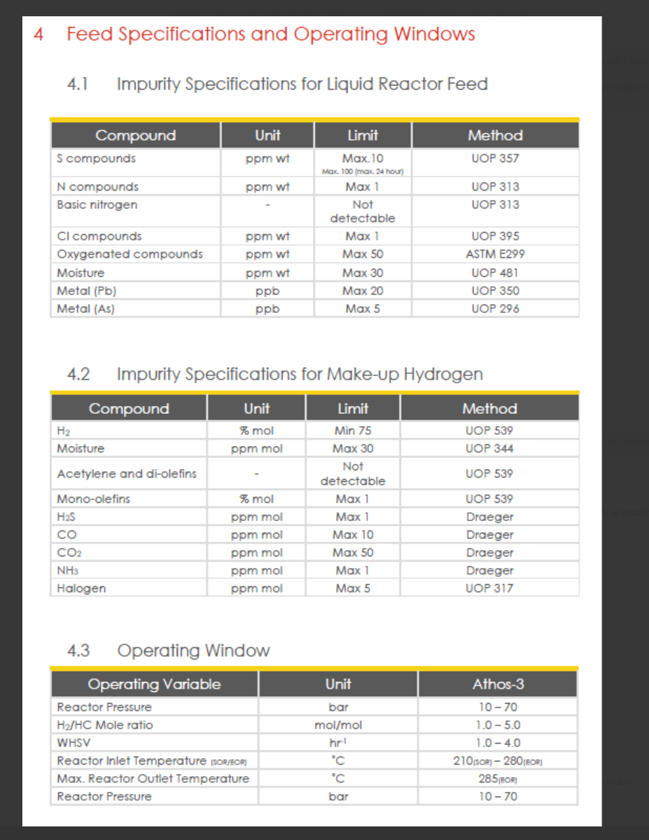
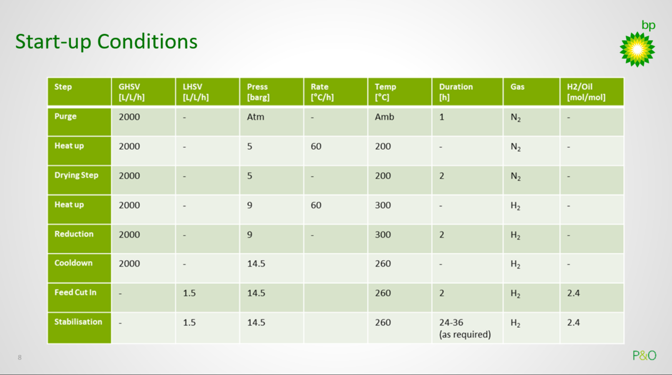

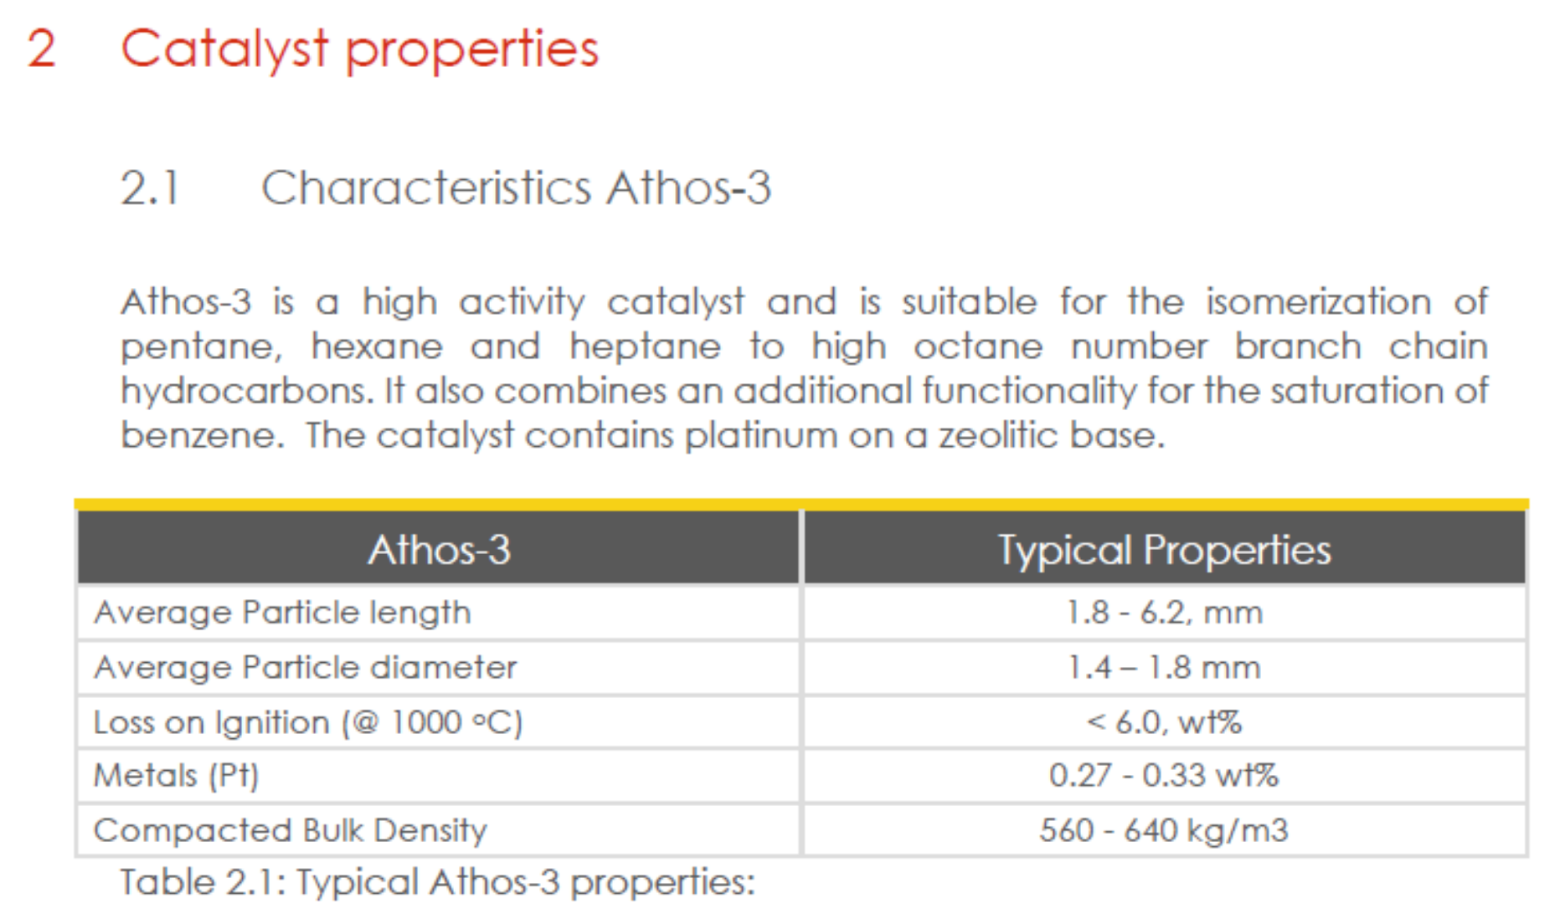

Catalyst Activation Step
Steps | Start Temperature | Target Temperature | Ramp Rate, oC/hr | Holding, hrs | N2 flow, NLPH | H2 flow, NLPH | Pressure, barg | Remarks | Step | Time, hrs | Cumulative Time, hrs | Temperature, oC | N2/H2, barg
1 | 25 | 25 | 0 | 1 |  |  | 15 |  | 1 | 0 | 0 | 25 | 15
2 | 25 | 180 | 30 | 0.5 |  |  | 15 |  |  | 1 | 1 | 25 | 15
3 | 180 | 220 | 30 | 0.5 |  |  | 15 |  | 2 | 5 | 6 | 180 | 15
4 | 220 | 260 | 30 | 2 |  |  | 15 |  |  | 1 | 7 | 180 | 15
5 | 260 | 160 | 30 | 0.5 |  |  | 15 |  | 3 | 1 | 8 | 220 | 15
6 | 160 | 160 | 0 | 1 |  |  | 25 | Switch to H2 gas and increase Pressure to 25 barg |  | 1 | 9 | 220 | 15
7 | 160 | 260 | 30 | 6 |  |  | 25 |  | 4 | 1 | 10 | 260 | 15
8 | 260 | 190 | 30 | 0.5 |  |  | 25 |  |  | 2 | 12 | 260 | 15
9 | 190 | 190 | 0 | 1 |  |  | 25 | Adjust H2 flow and introduce liquid feed as per condition 1 | 5 | 3 | 15 | 160 | 15
 |  |  |  |  |  |  |  |  |  | 1 | 16 | 160 | 15
 |  |  |  |  |  |  |  |  | 6 | 0 | 16 | 160 | 25 | Switch to H2 gas and increase Pressure to 25 barg
 |  |  |  |  |  |  |  |  |  | 1 | 17 | 160 | 25
 |  |  |  |  |  |  |  |  | 7 | 3 | 20 | 260 | 25
 |  |  |  |  |  |  |  |  |  | 6 | 26 | 260 | 25
260 ºC, 120 mins
260 ºC, 360 mins
 |  |  |  |  |  |  |  |  | 8 | 2 | 28 | 190 | 25
Feed Cut-in
 |  |  |  |  |  |  |  |  |  | 1 | 29 | 190 | 25
220 ºC, 30 mins
 |  |  |  |  |  |  |  |  | 9 | 0 | 29 | 190 | 25
180 ºC, 30 mins
H₂ (100%)
 |  |  |  |  |  |  |  |  |  | 1 | 30 | 190 | 25 | Adjust H2 flow and introduce liquid feed as per condition 1
190 ºC, 30 mins
160 ºC, 90 mins

25 barg
N2 (100%)
@30 ºC/hr (Heating/Cooling)
1.5 barg

Catalyst Loading Details
550mm
 |  |  |  | Zones | Reactor
 | Reactor ID | mm | 4.4 |  | 1 | 2 | 6
Empty space | Isothermal zone height | mm | 300 | Preheating Zone, mm | 421 | 419 | 420
 | Isothermal zone volume | ml | 4.6 | Catalyst Bed Zone, mm | 154 | 156 | 155
Preheating Zone SiC, 0.8 mm | Catalyst volume | ml | 2 | Post Heating Zone, mm | 300 | 300 | 300
420mm

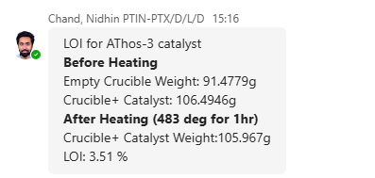
ATHOS-3, CY 1.6 (1.9ml) + SiC 50 microns (1.9 ml) equally divided into 10 portions

930mm
930mm
~155 mm

Post Heating Zone SiC, 0.8 mm

300mm

 |  |  |  |  |  |  |  | 0

Synthetic Feed_Calc
 |  |  |  |  |  |  | Synthetic Feed Blend Composition (ETCA) |  |  |  |  |  |  |  |  |  |  |  |  |  |  |  |  |  |  |  |  | APR 06, 2026 - 04:53:53
 | Target Blend Feed, gms |  | 50 | B00009774001 | also check for "S" and "N" and " moisture content analysis" |  |  |  |  |  |  |  |  |  |  |  |  |  | Synthetic Feed b lend (STCB), offline |  |  |  |  |  |  |  |  | Synthetic Feed blend (STCB), online from R5
 |  |  |  |  |  |  |  |  | SAMPLE_ID | Alkane mix feed |  |  |  |  |  |  | COMPONENT | %WGT | CARBON# | Paraffin | I-Paraffins | Aromatics | Naphthenes | Olefins | Oxygenates | Plus | TOTAL | CARBON# | Paraffin | I-Paraffins | Aromatics | Naphthenes | Olefins | Oxygenates | Plus | TOTAL
S.No. | Solvents | Purity, wt% | Blend Composition, wt% | Blend Quantity, gms | Blend Composition (Estimated), wt% | Blend Composition (ETCA), wt% |  |  |  |  |  |  |  |  |  |  | 2-Methylpentane | 0.019 | 1 | -- | -- | -- | -- | -- | -- | -- | 0 | 1 | -- | -- | -- | -- | -- | -- | -- | 0
1 | n-hexane | 95 | 85 | 40.375 | 80.75 | 83.42 |  |  |  |  |  |  |  |  |  |  | 3-Methylpentane | 0.304 | 2 | -- | -- | -- | -- | -- | -- | -- | 0 | 2 | -- | -- | -- | -- | -- | -- | -- | 0
2 | n-heptane | 99 | 10 | 4.95 | 9.9 | 10.37 | SUMMARY_BY_CARBON_TABULAR(%WGT) |  |  |  |  |  |  |  |  |  | n-Hexane | 83.429 | 3 | -- | -- | -- | -- | -- | -- | -- | 0 | 3 | -- | -- | -- | -- | -- | -- | -- | 0
3 | n-Octane | 99 | 5 | 2.475 | 4.95 | 5.3 |  |  |  |  |  |  |  |  |  |  | 2,2-Dimethylpentane | 0.511 | 4 | -- | -- | -- | -- | -- | -- | -- | 0 | 4 | 0.00 | -- | -- | -- | -- | -- | -- | 0.00
 |  |  | 100 |  |  |  |  | CARBON# | Paraffin | I-Paraffins | Aromatics | Naphthenes | Olefins | Oxygenates | Plus | TOTAL | n-Heptane | 10.368 | 5 | -- | -- | -- | -- | -- | -- | -- | 0 | 5 | 0.01 | 0.01 | -- | 0.00 | -- | -- | -- | 0.01
 |  |  |  |  |  |  |  | 1 | -- | -- | -- | -- | -- | -- | -- | 0 | 1c,2c,3-Trimethylcyclopentane | 0.006 | 6 | 82.19 | 0.6 | -- | 1.5 | -- | -- | -- | 84.3 | 6 | 86.28 | 0.43 | -- | 0.58 | -- | -- | -- | 87.28
 |  |  |  |  |  |  |  | 2 | -- | -- | -- | -- | -- | -- | -- | 0 | n-Octane | 5.363 | 7 | 10.29 | -- | -- | 0.0 | -- | -- | -- | 10.3 | 7 | 9.43 | 0.01 | -- | 0.00 | -- | -- | -- | 9.45
 |  |  |  |  |  |  |  | 3 | -- | -- | -- | -- | -- | -- | -- | 0 |  |  | 8 | 5.38 | -- | -- | -- | -- | -- | -- | 5.4 | 8 | 3.06 | 0.03 | -- | 0.05 | -- | -- | -- | 3.14
 |  |  |  |  |  |  |  | 4 | -- | -- | -- | -- | -- | -- | -- | 0 |  |  | 9 | -- | -- | -- | -- | -- | -- | -- | 0.0 | 9 | 0.01 | 0.01 | 0.00 | 0.00 | -- | -- | -- | 0.02
 |  |  | Synthetic Feed Blend Composition, wt% | STCB |  | ETCA |  | 5 | -- | -- | -- | -- | -- | -- | -- | 0 |  |  | 10 | -- | -- | -- | -- | -- | -- | -- | 0 | 10 | 0.01 | 0.01 | 0.00 | 0.00 | -- | -- | -- | 0.02
 |  |  | Molecules | Offline | Online |  |  | 6 | 83.429 | 0.322 | -- | -- | -- | -- | -- | 83.751 |  |  | 11 | -- | -- | -- | -- | -- | -- | -- | 0 | 11 | 0.01 | 0.01 | 0.01 | -- | -- | -- | -- | 0.02 | Big Batch (off line analysis)
 |  |  | 2-Methylpentane (C6) |  |  | 0.0 |  | 7 | 10.368 | 0.511 | -- | -- | -- | -- | -- | 10.879 |  |  | 12 | -- | -- | -- | -- | -- | -- | -- | 0 | 12 | 0.00 | -- | 0.00 | -- | -- | -- | -- | 0.01
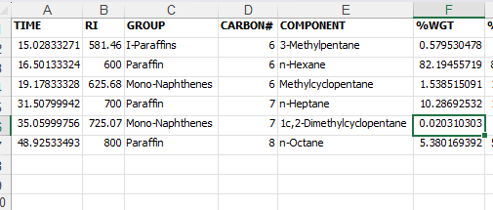
 |  |  | 3-Methylpentane (C6) | 0.6 |  | 0.3 |  | 8 | 5.363 | -- | -- | 0.006 | -- | -- | -- | 5.369 |  |  | 13 | -- | -- | -- | -- | -- | -- | -- | 0 | 13 | -- | -- | -- | -- | -- | -- | -- | 0
 |  |  | Methyl cyclopentane (C6) | 1.5 | 0.6 |  |  | 9 | -- | -- | -- | -- | -- | -- | -- | 0 |  |  | 14 | -- | -- | -- | -- | -- | -- | -- | 0 | 14 | -- | -- | -- | -- | -- | -- | -- | 0
 |  |  | n-hexane (C6) | 82.2 | 86.3 | 83.4 |  | 10 | -- | -- | -- | -- | -- | -- | -- | 0 |  |  | 15 | -- | -- | -- | -- | -- | -- | -- | 0 | 15 | -- | -- | -- | -- | -- | -- | -- | 0
 |  |  | 2,2-Dimethylpentane (C7) |  |  | 0.5 |  | 11 | -- | -- | -- | -- | -- | -- | -- | 0
 |  |  | 1c,2-Dimethylcyclopentane (C7) |  |  |  |  | 12 | -- | -- | -- | -- | -- | -- | -- | 0 |  |  | TOTAL | 97.9 | 0.6 | 0.0 | 1.6 | 0.0 | 0.0 | 0.0 | 100 | TOTAL | 98.81 | 0.50 | 0.01 | 0.64 | 0.00 | 0.00 | 0.00 | 99.95
 |  |  | n-heptane (C7) | 10.3 | 9.5 | 10.4 |  | 13 | -- | -- | -- | -- | -- | -- | -- | 0 |  |  |  |  |  |  |  |  |  | UNKNOWNS | 0 |  |  |  |  |  |  |  | UNKNOWNS | 0.05
 |  |  | 1c,2-Dimethylcyclopentane (C7) | 0.0 |  |  |  | 14 | -- | -- | -- | -- | -- | -- | -- | 0 |  |  |  |  |  |  |  |  |  | GRAND_TOTAL | 100 |  |  |  |  |  |  |  | GRAND_TOTAL | 100
 |  |  | 1c,2c,3-Trimethylcyclopentane (C7) |  |  | 0.0 |  | 15 | -- | -- | -- | -- | -- | -- | -- | 0
 |  |  | n-octane (C8) | 5.4 | 3.2 | 5.4
 |  |  | Total | 100 | 100 | 100 |  | TOTAL | 99.160 | 0.833 | 0 | 0.006 | 0 | 0 | 0 | 100 |  |  |  |  |  |  |  |  |  |  |  | APR 05, 2026 - 19:50:50
 |  |  |  |  |  |  |  |  |  |  |  |  |  |  | UNKNOWNS | 0 |  |  |  |  |  |  |  |  |  |  |  | Synthetic Feed blend (STCB), online from R5
 |  |  |  |  |  |  |  |  |  |  |  |  |  |  | GRAND_TOTAL | 100 |  |  |  |  |  |  |  |  |  |  |  | CARBON# | Paraffin | I-Paraffins | Aromatics | Naphthenes | Olefins | Oxygenates | Plus | TOTAL
 |  |  |  |  |  |  |  |  |  |  |  |  |  |  |  |  |  |  |  |  |  |  |  |  |  |  |  | 1 | -- | -- | -- | -- | -- | -- | -- | 0
 |  |  |  |  |  |  |  |  |  |  |  |  |  |  |  |  |  |  |  |  |  |  |  |  |  |  |  | 2 | -- | -- | -- | -- | -- | -- | -- | 0
 |  |  |  |  |  |  |  |  |  |  |  |  |  |  |  |  |  |  |  |  |  |  |  |  |  |  |  | 3 | -- | -- | -- | -- | -- | -- | -- | 0
 |  |  |  |  |  |  |  |  |  |  |  |  |  |  |  |  |  |  |  |  |  |  |  |  |  |  |  | 4 | 0.00 | 0.00 | -- | -- | -- | -- | -- | 0.00
 |  |  |  |  |  |  |  |  |  |  |  |  |  |  |  |  |  |  |  |  |  |  |  |  |  |  |  | 5 | 0.01 | 0.01 | -- | 0.00 | -- | -- | -- | 0.01
 |  |  |  |  |  |  |  |  |  |  |  |  |  |  |  |  |  |  |  |  |  |  |  |  |  |  |  | 6 | 86.08 | 0.43 | -- | 0.58 | -- | -- | -- | 87.09
 |  |  |  |  |  |  |  |  |  |  |  |  |  |  |  |  |  |  |  |  |  |  |  |  |  |  |  | 7 | 9.47 | 0.01 | -- | 0.00 | -- | -- | -- | 9.49
 |  |  |  | Moisture content, ppmw | <100 | actual value is below 30 ppm |  |  |  |  |  |  |  |  |  |  |  |  |  |  |  |  |  |  |  |  |  | 8 | 3.22 | 0.03 | -- | 0.05 | -- | -- | -- | 3.30
 |  |  |  | Total Sulfur, ppmw | <2.5 |  |  |  |  |  |  |  |  |  |  |  |  |  |  |  |  |  |  |  |  |  |  | 9 | 0.01 | 0.01 | 0.00 | 0.00 | -- | -- | -- | 0.03
 |  |  |  | Total Nitrogen, ppmw | <2.5 |  |  |  |  |  |  |  |  |  |  |  |  |  |  |  |  |  |  |  |  |  |  | 10 | 0.01 | 0.01 | 0.00 | 0.00 | -- | -- | -- | 0.02
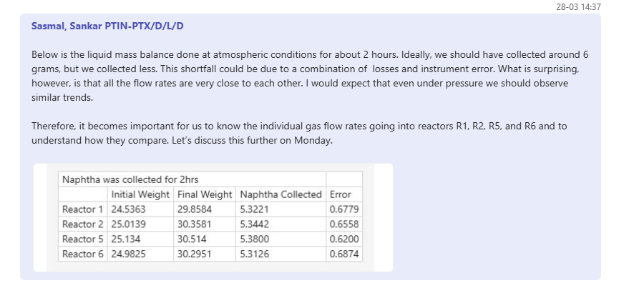
 |  |  |  | RON (Estimated) | 23 |  |  |  |  |  |  |  |  |  |  |  |  |  |  |  |  |  |  |  |  |  |  | 11 | 0.00 | 0.01 | 0.00 | -- | -- | -- | -- | 0.02
 |  |  |  |  |  |  |  |  |  |  |  |  |  |  |  |  |  |  |  |  |  |  |  |  |  |  |  | 12 | 0.00 | -- | 0.00 | -- | -- | -- | -- | 0.00
 |  |  |  |  |  |  |  |  |  |  |  |  |  |  |  |  |  |  |  |  |  |  |  |  |  |  |  | 13 | -- | -- | -- | -- | -- | -- | -- | 0
 |  |  |  |  |  |  |  |  |  |  |  |  |  |  |  |  |  |  |  |  |  |  |  |  |  |  |  | 14 | -- | -- | -- | -- | -- | -- | -- | 0
 |  |  |  |  |  |  |  |  |  |  |  |  |  |  |  |  |  |  |  |  |  |  |  |  |  |  |  | 15 | -- | -- | -- | -- | -- | -- | -- | 0

 |  |  |  |  |  |  |  |  |  |  |  |  |  |  |  |  |  |  |  |  |  |  |  |  |  |  |  | TOTAL | 98.8 | 0.5 | 0.0 | 0.6 | 0.0 | 0.0 | 0.0 | 99.95
 |  |  |  |  |  |  |  |  |  |  |  |  |  |  |  |  |  |  |  |  |  |  |  |  |  |  |  |  |  |  |  |  |  |  | UNKNOWNS | 0.05
 |  |  |  |  |  |  |  |  |  |  |  |  |  |  |  |  |  |  |  |  |  |  |  |  |  |  |  |  |  |  |  |  |  |  | GRAND_TOTAL | 100

N2 FLOW Callibration
 |  | N2 Dilution FIC calibration

 | Set Point Value(mln/hr) |  | Defender Value(ml/min) |  |  |  |  |  |  |  |  |  |  | Average, ml/min | Average, ml/hr | 2562.668 |  | 2605.416
Reactor Block 1
 |  |  | 1 | 2 | 3 | 4 | 5 | 6 | 7 | 8 | 9 | 10 | Average
10i1FIC04 | 1000 |  | 21.506 | 21.63 | 21.51 | 21.475 | 21.642 | 21.587 | 21.601 | 21.626 | 21.664 | 21.688 | 21.592 | 22 | 1296
 | 2000 |  | 42.784 | 42.921 | 42.819 | 42.667 | 42.81 | 42.618 | 42.78 | 42.743 | 42.644 | 42.729 | 42.751 | 43 | 2565
 | 2500 |  | 53.421 | 53.385 | 53.344 | 53.31 | 53.299 | 53.302 | 53.273 | 53.31 | 53.364 | 53.294 | 53.33 | 53 | 3200
 | 3000 |  | 63.75 | 63.729 | 63.662 | 63.713 | 63.723 | 63.532 | 63.672 | 63.75 | 63.737 | 63.83 | 63.709 | 64 | 3823

10i1FIC03 | 1000 |  | 22.424 | 22.426 | 22.4 | 22.426 | 22.412 | 22.403 | 22.355 | 22.395 | 22.399 | 22.426 | 22.406 | 22 | 1344
 | 2000 |  | 43.399 | 43.529 | 43.431 | 43.41 | 43.371 | 43.393 | 43.439 | 43.392 | 43.43 | 43.431 | 43.422 | 43 | 2605
 | 2500 |  | 53.939 | 54.002 | 53.97 | 54.001 | 54.04 | 54.002 | 53.983 | 53.827 | 53.734 | 53.821 | 53.931 | 54 | 3236
 | 3000 |  | 64.576 | 64.519 | 64.466 | 64.453 | 64.41 | 64.451 | 64.424 | 64.288 | 64.52 | 64.336 | 64.444 | 64 | 3867

10i1FIC02 | 1000 |  | 21.949 | 21.896 | 21.979 | 21.841 | 21.91 | 21.904 | 21.891 | 21.879 | 21.881 | 21.92 | 21.905 | 22 | 1314
 | 2000 |  | 42.825 | 42.736 | 42.795 | 42.583 | 42.827 | 42.613 | 42.845 | 42.892 | 42.81 | 43.025 | 42.795 | 43 | 2568
 | 2500 |  | 53.179 | 53.506 | 53.141 | 53.208 | 53.172 | 53.319 | 53.685 | 53.754 | 53.723 | 53.973 | 53.466 | 53 | 3208
 | 3000 |  | 63.747 | 63.761 | 63.824 | 63.82 | 63.768 | 63.646 | 63.704 | 63.698 | 63.733 | 63.786 | 63.757 | 64 | 3825

10i1FIC01 | 1000 |  | 21.899 | 21.868 | 21.864 | 21.89 | 21.9 | 21.899 | 21.901 | 21.941 | 21.96 | 21.961 | 21.908 | 22 | 1314
 | 2000 |  | 42.932 | 42.958 | 42.934 | 42.858 | 43.018 | 42.999 | 42.97 | 42.979 | 42.937 | 42.982 | 42.956 | 43 | 2577
 | 2500 |  | 53.514 | 53.645 | 53.608 | 54.467 | 53.605 | 53.629 | 53.581 | 53.618 | 53.695 | 53.48 | 53.684 | 54 | 3221
 | 3000 |  | 64.25 | 64.155 | 64.23 | 64.38 | 64.28 | 64.219 | 64.247 | 64.271 | 64.169 | 64.194 | 64.239 | 64 | 3854

Reactor Block 2
 |  |  | 1 | 2 | 3 | 4 | 5 | 6 | 7 | 8 | 9 | 10 | Average
10i2FIC04 | 1000 |  | 21.765 | 21.759 | 21.753 | 21.685 | 21.741 | 21.728 | 21.738 | 21.746 | 21.767 | 21.748 | 21.743 | 22 | 1305
 | 2000 |  | 42.655 | 42.657 | 42.658 | 42.683 | 42.663 | 42.522 | 42.57 | 42.711 | 42.616 | 42.595 | 42.633 | 43 | 2558
 | 2500 |  | 53.986 | 52.994 | 53.065 | 53 | 52.943 | 52.958 | 53.015 | 53.058 | 53.036 | 53.032 | 53.108 | 53 | 3187
 | 3000 |  | 63.475 | 63.392 | 63.344 | 63.364 | 63.356 | 63.392 | 63.374 | 63.553 | 63.771 | 63.694 | 63.471 | 63 | 3808

10i2FIC03 | 1000 |  | 21.353 | 21.351 | 21.383 | 21.351 | 21.358 | 21.36 | 21.393 | 21.412 | 21.355 | 21.4 | 21.371 | 21 | 1282
 | 2000 |  | 42.442 | 42.357 | 42.306 | 42.328 | 42.353 | 42.289 | 42.334 | 42.298 | 42.296 | 41.454 | 42.245 | 42 | 2535
 | 2500 |  | 52.819 | 52.865 | 52.797 | 52.773 | 52.751 | 52.849 | 52.939 | 52.728 | 52.718 | 52.715 | 52.796 | 53 | 3168
 | 3000 |  | 63.011 | 63.032 | 62.999 | 63.012 | 63.105 | 63.118 | 63.112 | 63.146 | 63.047 | 62.969 | 63.055 | 63 | 3783
 |  |  |  |  |  |  |  |  |  |  |  |  |  |  |  |  | 2557.826
10i2FIC02 | 1000 |  | 21.499 | 21.523 | 21.523 | 21.53 | 21.524 | 21.537 | 21.521 | 21.536 | 21.545 | 21.534 | 21.527 | 22 | 1292
 | 2000 |  | 42.437 | 42.425 | 42.4 | 42.337 | 42.397 | 42.396 | 42.382 | 42.492 | 42.436 | 42.44 | 42.414 | 42 | 2545
 | 2500 |  | 52.86 | 52.781 | 52.828 | 52.838 | 52.785 | 52.805 | 52.873 | 52.82 | 52.835 | 52.826 | 52.825 | 53 | 3170
 | 3000 |  | 63.282 | 63.26 | 63.314 | 63.321 | 63.309 | 63.359 | 63.357 | 63.366 | 63.384 | 63.386 | 63.333 | 63 | 3800

10i2FIC01 | 1000 |  | 21.096 | 21.064 | 21.069 | 21.096 | 21.096 | 21.102 | 21.093 | 21.117 | 21.087 | 21.128 | 21.094 | 21 | 1266
 | 2000 |  | 42.01 | 42.005 | 41.983 | 41.995 | 42.042 | 42.03 | 42.019 | 42.0341 | 42.074 | 42.071 | 42.026 | 42 | 2522
 | 2500 |  | 52.535 | 52.476 | 52.477 | 52.473 | 52.458 | 52.45 | 52.465 | 52.434 | 52.472 | 52.493 | 52.473 | 52 | 3148 |  |  |  | 2535.601
 | 3000 |  | 62.937 | 62.974 | 62.97 | 62.986 | 62.973 | 62.971 | 62.962 | 62.947 | 62.938 | 62.969 | 62.962 | 63 | 3778

GC Calibration Data
0 |  |  | N2 |  |  | H2
 | ter # | Batch # | Conc (Vol%) | Area | RF | Conc (Vol%) | Area | RF
 | CAN-01 | CFC2512006/30033552 | 80.23 | 4.42E+08 | 0.0000001813 | 19.77 | 4556250 | 0.000004339 | 0.0000001813 | 0.000000163
 | CSL/16-17/SB3-207 | CFC2512004/30035552 | 60.13 | 3.34E+08 | 0.0000001801 | 39.87 | 9023977 | 0.000004418 | 0.0000001801 | 0.00000174
 | CSL/17-18/SB3/043 | CFC2512005/30033552 | 40.24 | 2.29E+08 | 0.0000001760 | 59.76 | 13285364 | 0.000004498 | 0.0000001760 | 0.00000179
 | CSL/19-20/SB3/HP05 | CFC2512008/300333552 | 20.43 | 1.25E+08 | 0.0000001638 | 79.57 | 17515766 | 0.000004543
 |  |  |  |  | 0.0000001753 |  |  | 0.000004450

 |  |  |  |  | Inter/Extra polation | 0.000004339 | Determined from Co-Pilot
 |  |  |  |  | H2 | 20.0

 |  |  |  |  | Inter/Extra polation | 0.0000001636 | Determined from Co-Pilot
 |  |  |  |  | N2 | 20

STCB vs ETCA
Synthetic feed blend |  | ETCA
n-hexane | wt% | 83.43
n-heptane | wt% | 10.37
n-octane | wt% | 5.36
 |  |  |  |  |  |  |  |  | STCB Results (ILS Unit)

 |  |  |  |  |  |  |  |  | Reactor 1 |  |  |  |  |  |  | Reactor 2 |  |  |  |  |  |  | Reactor 6
Op. condtions and Results
 |  | 1 | 2 | 3 | 4 | 5 | 6 |  | 1 | 2 | 3 | 4 | 5 | 6 |  | 1 | 2 | 3 | 4 | 5 | 6 |  | 1 | 2 | 3 | 4 | 5 | 6
Pressure | barg | 26 | 26 | 26 | 26 | 26 | 15 |  | 24 | 24 | 24 | 24 | 24 | 15 |  | 24 | 24 | 24 | 24 | 24 | 15 |  | 24 | 24 | 24 | 24 | 24 | 15
Temperature | oC | 190 | 200 | 210 | 220 | 230 | 230 |  | 190 | 200 | 210 | 220 | 230 | 230 |  | 190 | 200 | 210 | 220 | 230 | 230 |  | 190 | 200 | 210 | 220 | 230 | 230
Space velocity (weight basis) | h-1 | 1.7 | 1.7 | 1.7 | 1.7 | 1.7 | 1.7 |  | 2.33 | 2.35 | 2.36 | 2.37 | 2.35 | 2.37 |  | 2.42 | 2.43 | 2.46 | 2.47 | 2.44 | 2.46 |  | 2.40 | 2.47 | 2.47 | 2.50 | 2.44 | 2.48
H2/Naphtha | mol. Basis | 1.5 | 1.5 | 1.5 | 1.5 | 1.5 | 1.5 |  | 1.42 | 1.40 | 1.40 | 1.39 | 1.40 | 1.39 |  | 1.21 | 1.20 | 1.19 | 1.18 | 1.20 | 1.19 |  | 1.25 | 1.22 | 1.22 | 1.20 | 1.23 | 1.21
C1 | wt% | 0 | 0 | 0 | 0 | 0.01 | 0.01
C2 | wt% | 0.01 | 0 | 0.01 | 0.01 | 0.02 | 0.02 |  | 0.00 | 0.00 | 0.01 | 0.01 | 0.04 | 0.01 |  | 0.00 | 0.00 | 0.00 | 0.01 | 0.01 | 0.01 |  | 0.00 | 0.00 | 0.00 | 0.01 | 0.02 | 0.02
C3 | wt% | 0.52 | 0.77 | 1.32 | 2.69 | 3.71 | 4.09 |  | 0.05 | 0.15 | 0.49 | 1.28 | 2.49 | 3.47 |  | 0.04 | 0.15 | 0.52 | 1.38 | 2.61 | 3.52 |  | 0.07 | 0.27 | 0.75 | 1.95 | 3.38 | 4.26
i-C4 | wt% | 1.19 | 1.89 | 3.01 | 5.71 | 6.83 | 7.37 |  | 0.18 | 0.46 | 1.32 | 2.95 | 4.94 | 6.52 |  | 0.14 | 0.45 | 1.38 | 3.15 | 5.19 | 6.74 |  | 0.24 | 0.80 | 1.92 | 4.14 | 6.24 | 7.63
n-C4 | wt% | 0.19 | 0.32 | 0.51 | 0.84 | 0.98 | 1 |  | 0.05 | 0.09 | 0.27 | 0.56 | 0.81 | 0.92 |  | 0.03 | 0.09 | 0.27 | 0.57 | 0.82 | 0.94 |  | 0.05 | 0.17 | 0.38 | 0.72 | 0.90 | 0.99
i-C5 | wt% | 0.04 | 0.27 | 0.12 | 1.89 | 0.3 | 0.34 |  | 0.11 | 0.12 | 0.34 | 0.68 | 0.95 | 1.13 |  | 0.06 | 0.12 | 0.34 | 0.71 | 1.00 | 1.24 |  | 0.08 | 0.22 | 0.48 | 0.86 | 1.05 | 1.24
n-C5 | wt% | 0.26 | 0.47 | 0.72 | 1.41 | 1.4 | 1.39 |  | 0.05 | 0.01 | 0.03 | 0.08 | 0.18 | 0.28 |  | 0.02 | 0.01 | 0.03 | 0.09 | 0.20 | 0.31 |  | 0.01 | 0.01 | 0.04 | 0.12 | 0.24 | 0.35
2,2-dimeC4 | wt% | 0.19 | 0.25 | 0.44 | 0.92 | 1.62 | 2.09 |  | 0.03 | 0.09 | 0.29 | 0.83 | 2.09 | 3.28 |  | 0.03 | 0.09 | 0.29 | 0.86 | 2.06 | 3.02 |  | 0.05 | 0.16 | 0.45 | 1.42 | 3.34 | 4.89
2,3-dimeC4 | wt% | 0.8 | 1.04 | 1.84 | 3.31 | 5.24 | 6.35 |  | 0.16 | 0.41 | 1.08 | 2.50 | 4.58 | 6.00 |  | 0.16 | 0.40 | 1.09 | 2.52 | 4.71 | 5.90 |  | 0.29 | 0.75 | 1.74 | 4.06 | 6.58 | 7.55
2-meC5 | wt% | 2.66 | 3.83 | 6.04 | 11.56 | 17.77 | 21.14 |  | 1.50 | 3.29 | 7.13 | 13.81 | 21.51 | 25.78 |  | 1.47 | 2.98 | 6.74 | 13.27 | 21.55 | 24.91 |  | 2.69 | 5.53 | 10.29 | 19.43 | 27.19 | 29.35
3-meC5 | wt% | 1.86 | 2.36 | 3.63 | 6.92 | 11.05 | 13.29 |  | 1.17 | 2.19 | 4.44 | 8.63 | 13.65 | 16.32 |  | 1.17 | 1.98 | 4.16 | 8.22 | 13.62 | 15.72 |  | 1.88 | 3.51 | 6.40 | 12.23 | 17.32 | 18.67
n-C6 | wt% | 75.31 | 73.42 | 70.11 | 57.1 | 46.3 | 39.49 |  | 82.24 | 78.54 | 71.30 | 58.09 | 41.48 | 31.76 |  | 82.75 | 79.10 | 71.96 | 58.90 | 41.55 | 33.25 |  | 80.62 | 74.43 | 65.21 | 46.53 | 28.99 | 22.37
MCP | wt% | 0 | 0 | 0 | 0 | 0 | 0 |  | 0.46 | 0.38 | 0.33 | 0.32 | 0.31 | 0.27 |  | 0.47 | 0.37 | 0.30 | 0.30 | 0.29 | 0.24 |  | 0.44 | 0.36 | 0.34 | 0.33 | 0.30 | 0.25
i-C7 | wt% | 1.23 | 1.66 | 2.12 | 2.54 | 2.2 | 1.73 |  | 1.34 | 2.51 | 4.22 | 5.50 | 4.86 | 3.36 |  | 1.27 | 2.25 | 3.90 | 5.05 | 4.55 | 3.21 |  | 2.15 | 3.71 | 5.11 | 5.55 | 3.59 | 1.98
n-C7 | wt% | 8.43 | 7.72 | 6.37 | 3.68 | 1.87 | 1.09 |  | 8.57 | 7.55 | 5.56 | 3.11 | 1.45 | 0.65 |  | 8.59 | 7.79 | 5.82 | 3.32 | 1.32 | 0.70 |  | 7.77 | 6.33 | 4.37 | 1.83 | 0.63 | 0.27
n-C8 | wt% | 3.39 | 2.66 | 1.55 | 0.43 | 0.16 | 0 |  | 2.97 | 2.47 | 1.23 | 0.36 | 0.09 | 0.01 |  | 2.88 | 2.69 | 1.37 | 0.42 | 0.06 | 0.01 |  | 2.25 | 1.65 | 0.78 | 0.12 | 0.01 | 0.00
i-C8 | wt% | 3.91 | 3.33 | 2.2 | 0.99 | 0.56 | 0.61 |  | 1.01 | 1.74 | 1.96 | 1.28 | 0.54 | 0.21 |  | 0.89 | 1.54 | 1.80 | 1.20 | 0.44 | 0.24 |  | 1.39 | 2.11 | 1.73 | 0.70 | 0.20 | 0.15
C8+ | wt% | -- | -- | -- | -- | -- | -- |  | 0.12 | 0.00 | 0.01 | 0.01 | 0.02 | 0.02 |  | 0.04 | 0.00 | 0.01 | 0.02 | 0.02 | 0.03 |  | 0.02 | 0.00 | 0.01 | 0.01 | 0.02 | 0.02
Total | wt% | 100 | 100 | 100 | 100 | 100 | 100 |  | 99.9999993 | 100.00000045 | 99.999993913 | 100.00000684 | 99.999993417 | 100.00001311 |  | 100 | 100 | 100 | 100 | 100 | 100 |  | 100 | 100 | 100 | 100 | 100 | 100
RON |  | 29 | 31 | 35 | 44 | 52 | 57 |  | 26 | 28 | 34 | 44 | 57 | 65 |  | 26 | 28 | 34 | 44 | 57 | 64 |  | 28 | 31 | 38 | 53 | 66 | 72
Yield Distribution
<C3 | wt% | 0.01 | 0 | 0.01 | 0.01 | 0.03 | 0.03 |  | 0.00 | 0.00 | 0.01 | 0.01 | 0.04 | 0.01 |  | 0.00 | 0.00 | 0.00 | 0.01 | 0.01 | 0.01 |  | 0.00 | 0.00 | 0.00 | 0.01 | 0.02 | 0.02
C3 | wt% | 0.52 | 0.77 | 1.32 | 2.69 | 3.71 | 4.09 |  | 0.05 | 0.15 | 0.49 | 1.28 | 2.49 | 3.47 |  | 0.04 | 0.15 | 0.52 | 1.38 | 2.61 | 3.52 |  | 0.07 | 0.27 | 0.75 | 1.95 | 3.38 | 4.26
C4 | wt% | 1.38 | 2.21 | 3.52 | 6.55 | 7.81 | 8.37 |  | 0.22 | 0.55 | 1.59 | 3.51 | 5.75 | 7.44 |  | 0.17 | 0.54 | 1.66 | 3.72 | 6.00 | 7.68 |  | 0.29 | 0.96 | 2.30 | 4.85 | 7.14 | 8.62
Gas (C1-C4) | wt% | 1.91 | 2.98 | 4.85 | 9.25 | 11.55 | 12.49 |  | 0.27 | 0.70 | 2.08 | 4.79 | 8.27 | 10.93 |  | 0.21 | 0.69 | 2.18 | 5.11 | 8.63 | 11.21 |  | 0.36 | 1.23 | 3.06 | 6.82 | 10.54 | 12.89
C5+ | wt% | 98.09 | 97.02 | 95.15 | 90.75 | 88.45 | 87.51 |  | 99.73 | 99.30 | 97.92 | 95.21 | 91.73 | 89.07 |  | 99.79 | 99.31 | 97.82 | 94.89 | 91.37 | 88.79 |  | 99.64 | 98.77 | 96.94 | 93.18 | 89.46 | 87.11
Selectivities (i-C6)
2,2-dimeC4 | wt% | 2 | 2 | 3 | 3 | 4 | 5 |  | 2 | 2 | 2 | 3 | 5 | 6 |  | 2 | 2 | 2 | 3 | 5 | 6 |  | 1 | 2 | 2 | 4 | 6 | 8
2,3-dimeC4 | wt% | 10 | 10 | 14 | 13 | 14 | 14 |  | 9 | 7 | 8 | 10 | 11 | 11 |  | 12 | 8 | 9 | 10 | 11 | 12 |  | 8 | 8 | 9 | 11 | 12 | 12
2-meC5 | wt% | 33 | 38 | 45 | 44 | 48 | 48 |  | 86 | 57 | 55 | 53 | 50 | 49 |  | 108 | 57 | 55 | 52 | 51 | 49 |  | 75 | 56 | 54 | 52 | 49 | 48
3-meC5 | wt% | 23 | 24 | 27 | 26 | 30 | 30 |  | 67 | 38 | 34 | 33 | 32 | 31 |  | 85 | 38 | 34 | 32 | 32 | 31 |  | 52 | 36 | 34 | 32 | 31 | 30
i-C6 selectivity | wt% | 68 | 75 | 90 | 86 | 96 | 98 |  | 164 | 104 | 100 | 98.6 | 98.0 | 98.1 |  | 207 | 105 | 100 | 98 | 98 | 97 |  | 136 | 101 | 99 | 99 | 99 | 98
i-C7 selectivity | wt% | 63 | 63 | 53 | 38 | 26 | 19 |  | 99 | 88 | 76 | 59 | 38 | 23 |  | 102 | 87 | 74 | 56 | 35 | 22 |  | 92 | 83 | 70 | 47 | 24 | 11
i-C8 selectivity | wt% | 198 | 123 | 58 | 20 | 11 | 11 |  | 68 | 78 | 56 | 30 | 12 | 5 |  | 58 | 77 | 54 | 28 | 9 | 5 |  | 61 | 69 | 45 | 15 | 4 | 3

n-C6 conversion | wt% | 10 | 12 | 16 | 32 | 45 | 53 |  | 2 | 7 | 15 | 31 | 51 | 62 |  | 2 | 6 | 15 | 30 | 51 | 60 |  | 4 | 12 | 23 | 45 | 66 | 73
n-C7 conversion | wt% | 19 | 26 | 39 | 65 | 82 | 89 |  | 12 | 23 | 43 | 68 | 85 | 93 |  | 12 | 20 | 41 | 66 | 86 | 93 |  | 21 | 35 | 55 | 81 | 94 | 97
n-C8 conversion | wt% | 37 | 50 | 71 | 92 | 97 | 100 |  | 37 | 47 | 74 | 92 | 98 | 100 |  | 39 | 43 | 71 | 91 | 99 | 100 |  | 52 | 65 | 83 | 97 | 100 | 100
Naphtha/H2 mass ratio | mass basis |  |  |  |  |  |  | 32.8 | 31.20 | 31.29 | 31.82 | 32.51 | 32.81 | 33.84 | 38.3 | 36.24 | 36.32 | 37.67 | 38.19 | 38.64 | 40.10 | 37.4 | 35.35 | 36.27 | 36.82 | 38.10 | 38.66 | 39.62 | 34.45 | 34.62 | 34.63 | 34.87 | 35.40 | 36.49
Naphtha feed rate | g/hr |  |  |  |  |  |  |  | 2.79 | 2.82 | 2.82 | 2.84 | 2.82 | 2.84 |  | 2.90 | 2.91 | 2.95 | 2.96 | 2.93 | 2.95

 | R1 |  | R2 |  | R6
0 | 33.36 | 2 | 36.93 | 6 | 36.48
8 | 31.36 | 10 | 36.77 | 14 | 35.64
17 | 30.42 | 19 | 35.88 | 47 | 32.48
50 | 30.69 | 52 | 35.71 | 56 | 36.05
58 | 30.37 | 60 | 35.89 | 64 | 36.10
66 | 31.01 | 68 | 36.34 | 72 | 35.86
75 | 30.96 | 77 | 36.25 | 81 | 35.78
99 | 31.35 | 93 | 36.25 | 97 | 36.15
108 | 32.07 | 101 | 36.04 | 105 | 36.74
116 | 30.79 | 110 | 37.19 | 114 | 36.79
124 | 31.40 | 118 | 35.83 | 122 | 36.26
132 | 31.73 | 126 | 37.91 | 130 | 37.12
141 | 31.08 | 134 | 37.75 | 138 | 36.45
149 | 32.86 | 143 | 36.71 | 147 | 36.98
157 | 32.21 | 151 | 38.91 | 155 | 38.00
166 | 31.60 | 159 | 37.04 | 163 | 36.14
174 | 33.06 | 168 | 38.79 | 172 | 38.28
182 | 32.18 | 176 | 37.88 | 180 | 37.84
190 | 32.30 | 184 | 37.88 | 188 | 37.88
199 | 33.30 | 192 | 38.23 | 196 | 38.39
207 | 32.77 | 201 | 38.30 | 205 | 38.79
215 | 32.34 | 209 | 38.45 | 213 | 38.53
232 | 33.45 | 217 | 39.18 | 230 | 39.32
240 | 34.02 | 226 | 40.74 | 238 | 38.97
248 | 34.61 | 234 | 39.78 | 246 | 40.50
257 | 33.08 | 242 | 39.73 | 254 | 38.87
265 | 33.33 | 250 | 40.82 | 263 | 39.84
273 | 34.11 | 259 | 39.41 | 271 | 40.76
281 | 34.26 | 267 | 40.15 | 279 | 39.12
298 | 33.81 | 275 | 39.93 | 296 | 37.87
306 | 31.62 | 283 | 40.24 | 304 | 36.81
315 | 32.47 | 300 | 38.64 | 312 | 36.89
323 | 34.01 | 308 | 37.23 | 321 | 38.48
331 | 32.41 | 317 | 39.15 | 329 | 37.14
 |  | 325 | 38.97 | 337 | 38.19
 |  | 333 | 37.62

